Test Case List
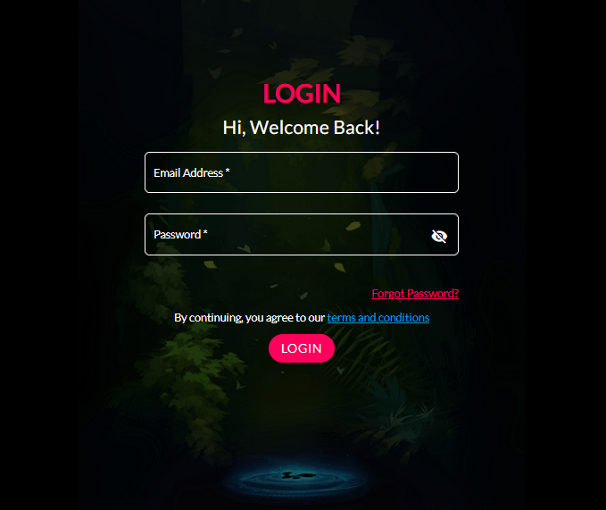
General |  |  | Page to be Tested (attached for ready reference)
S. No. | Test Case | Desired Outcome (Positive/Negative Test Case)
G-1 | Verify if a user will be able to login with a valid username and valid password. | Positive
G-2 | Verify if a user cannot login with a valid username and an invalid password. | Negative
G-3 | Verify the login page for both, when the field is blank and Submit button is clicked. | Negative
G-4 | Verify the ‘Forgot Password’ functionality. | Positive
G-5 | Verify the messages for invalid login. | Positive
G-6 | Verify the 'terms and conditions’ functionality. | Positive
G-7 | Verify if the data in password field is either visible as asterisk or bullet signs. | Positive
G-8 | Verify if a user is able to login with a new password only after he/she has changed the password. | Positive
G-9 | Verify if the login page allows to log in simultaneously with different credentials in a different browser. | Positive
G-10 | Verify if the ‘Enter’ key of the keyboard is working correctly on the login page. | Positive
G-11 | Verify the time taken to log in with a valid username and password. | Performance & Positive Testing
G-12 | Verify if the font, text color, and color coding of the Login page is as per the standard. | UI Testing & Positive Testing
G-13 | Verify if there is a ‘Cancel’ button available to erase the entered text. | Usability Testing
G-14 | Verify the login page and all its controls in different browsers | Browser Compatibility & Positive Testing.

Security
S. No. | Test Case | Desired Outcome (Positive/Negative Test Case)
S-1 | Verify if a user cannot enter the characters more than the specified range in each field (Username and Password). | Negative
S-2 | Verify if a user cannot enter the characters more than the specified range in each field (Username and Password). | Positive
S-3 | Verify the login page by pressing ‘Back button’ of the browser. It should not allow you to enter into the system once you log out. | Negative
S-4 | Verify the timeout functionality of the login session. | Positive
S-5 | Verify if a user should not be allowed to log in with different credentials from the same browser at the same time. | Negative
S-6 | Verify if a user should be able to login with the same credentials in different browsers at the same time. | Positive
S-7 | Verify the Login page against SQL injection attack. | Negative
S-8 | Verify the implementation of SSL certificate. | Positive
S-9 | Check if the password can be copy-pasted or not. | Negative

